Inertia moments
The inertia moments for the ballasted sphere are extracted from the 3D CAD model in Solidworks

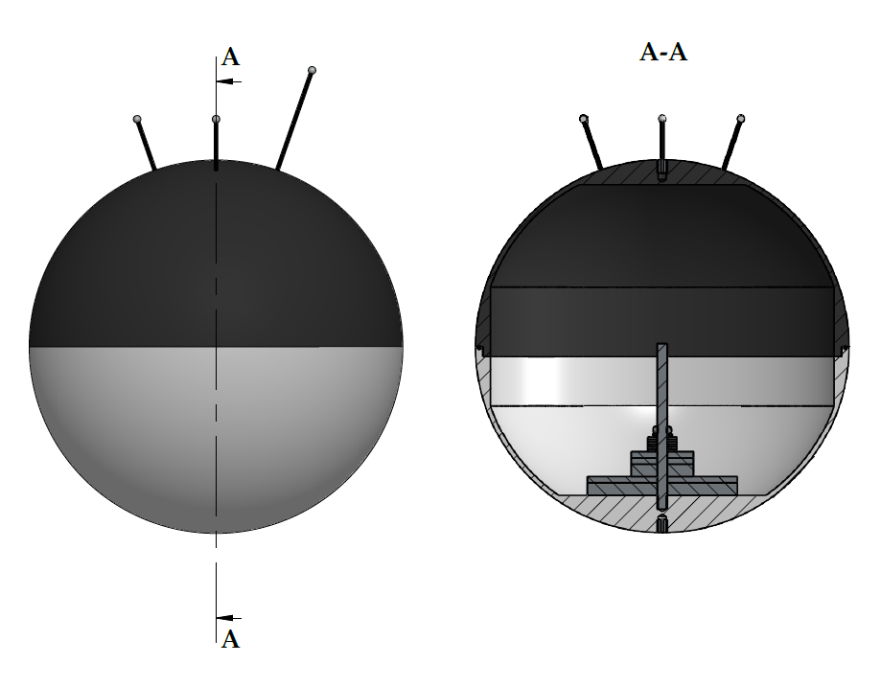
Parameter |  | Value | Unit
 | CoG z | -0.03479 | m
 | m | 7.05572 | kg
Inertia moments | Ixx and Iyy | 9.825E-02 | kgm2
 | Izz | 7.305E-02 | kgm2
 | Ixz and Izx | 9.95E-06 | kgm2
 | Izy and I yz | -1.10E-07 | kgm2
 | Ixy and Iyx | -2.97E-08 | kgm2

Output from Solidworks (reference to coordinate system at centre of sphere):
Mass properties of Sphere_withBallast
Configuration: Default
Coordinate system: -- default --

Mass = 7055.72 grams

Volume = 2181782.94 cubic millimeters

Surface area = 673040.03 square millimeters

Center of mass: ( millimeters )
 | X = 0.01
 | Y = 0.00
 | Z = -34.79

Principal axes of inertia and principal moments of inertia: ( grams * square millimeters )
Taken at the center of mass.
 | Ix = ( 0.00, 0.00, 1.00) | Px = 73051921.19
 | Iy = ( 1.00, -0.01, 0.00) | Py = 89712646.06
 | Iz = ( 0.01, 1.00, 0.00) | Pz = 89716114.42

Moments of inertia: ( grams * square millimeters )
Taken at the center of mass and aligned with the output coordinate system.
 | Lxx = 89712638.45 | Lxy = -29.66 | Lxz = 11442.51
 | Lyx = -29.66 | Lyy = 89716114.17 | Lyz = -130.62
 | Lzx = 11442.51 | Lzy = -130.62 | Lzz = 73051929.05

Moments of inertia: ( grams * square millimeters )
Taken at the output coordinate system.
 | Ixx = 98250542.54 | Ixy = -29.66 | Ixz = 9946.31
 | Iyx = -29.66 | Iyy = 98254018.51 | Iyz = -109.57
 | Izx = 9946.31 | Izy = -109.57 | Izz = 73051929.31

